BOM
Item | Part Number | Thumbnail | QTY | Stock Number | Description | REV
1 | X_Carriage_Plate_Short | 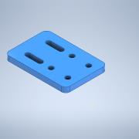 | 1
2 | 4mm_Roller_Spacer_simple | 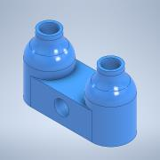 | 1
3 | F606ZZFlanged | 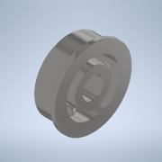 | 4
4 | Bolt M5 45mm | 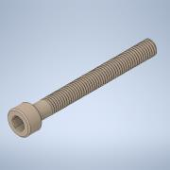 | 2

